Sheet1
KNN(K-Nearest Neighbours)
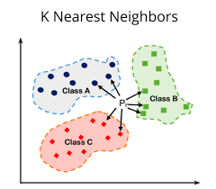
K Nearest Neighbour or KNN is one of the most simplest algorithm in supervised learning that is used for both classification and regression. But predominently used in Classification. Also used as missing value impuation algorithm.

KNN is based on distance calculations like Euclidean Distance, etc for calculating the distance and assigning to the smallest distance similarity.

K is an integer which represents number of neighbours, K value has to be assumed as there is no fixed formula to identify the exact K.

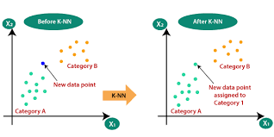
Before implenting the KNN Algorithm scaling must be done on numeric Independent variables, Can use Standard scalar / Minmax Scalar.

KNN is referred as Lazy algorithm as it will not start calculating until a predictive observation is given. It simply stores the historical data and calculates only when it is needed.

KNN is a non parametric algorithm which means there are no assumptions for this algorithm.

